Cover Page
 Vendor Security Assessment Toolkit by CORL Technologies

Version 3.03

Network_Architecture_Diagrams
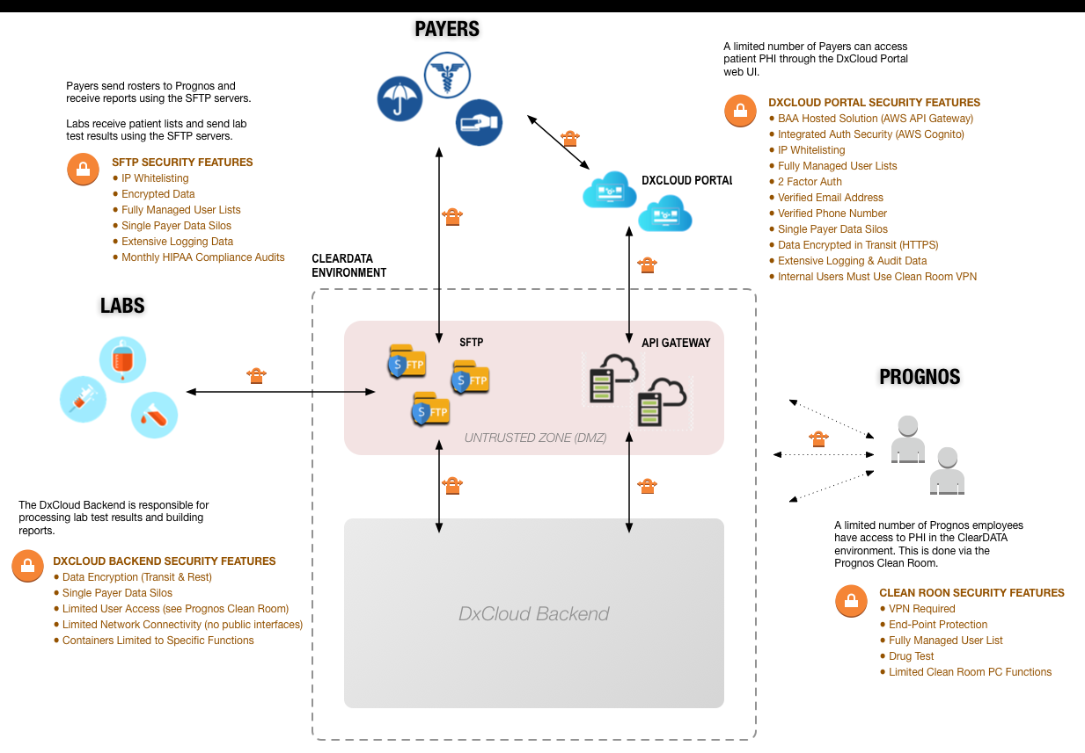
Objective: | Summary/Explanation (if diagrams are not available): | Evidence/Assurance
Please provide any and all network architecture diagram(s) within this worksheet: |  | Please attach network architecture diagram(s) or provide screenshots below:

